OverviewLayout
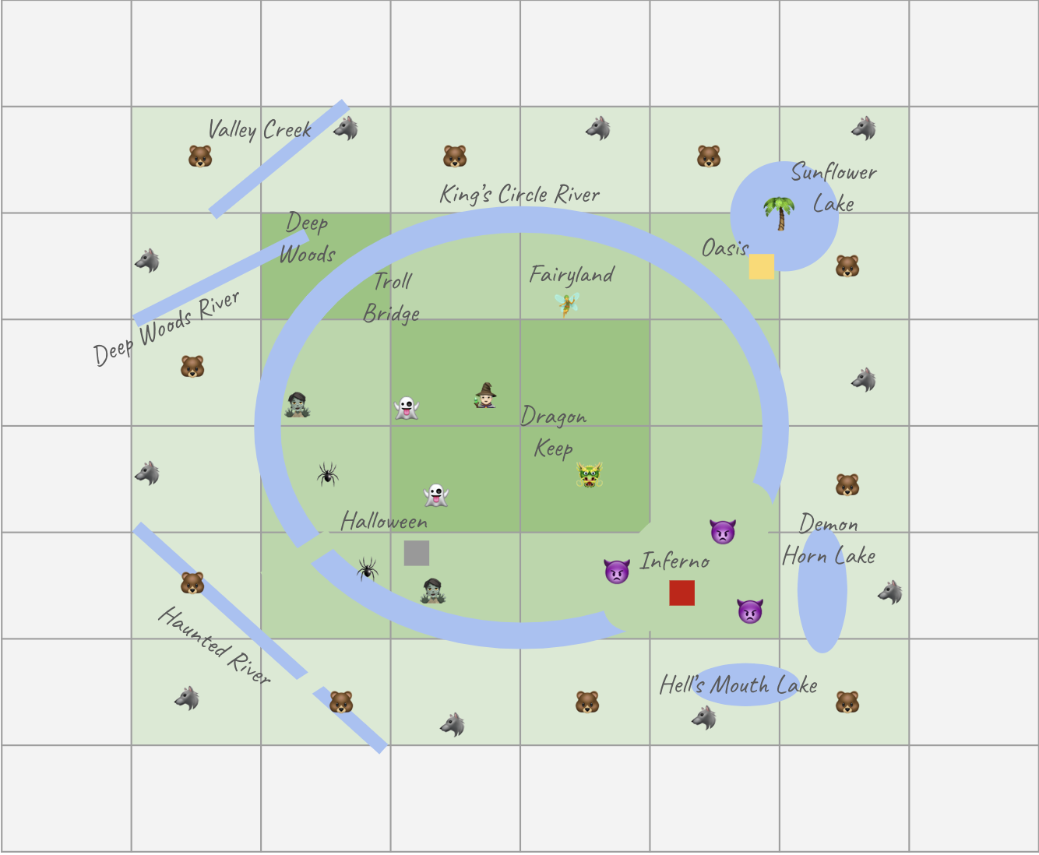
 | 1
1 | 2 | 3 | 4 | 5 | 6 | 7 | 8 | 9 | 10 | 11 | 12 | 13 | 14 | 15 | 16 | 17 | 18 | 19 | 20 | 21 | 22 | 23 | 24 | 25 | 26 | 27 | 28 | 29 | 30 | 31 | 32 | 33 | 34 | 35 | 36 | 37 | 38 | 39 | 40 | 41 | 42 | 43 | 44 | 45 | 46 | 47 | 48 | 49 | 50 | 51 | 52 | 53 | 54 | 55 | 56 | 57 | 58 | 59 | 60 | 61 | 62 | 63 | 64 | 65 | 66
 | 3
 | 4
 | 5
 | 6
 | 7
 | 8
 | 9
 | 10 |  |  |  |  |  |  |  | 🚂 |  |  | 🚂 |  |  |  |  |  |  |  | 🚂 |  |  |  |  |  |  |  | 🚂 |  |  |  |  |  |  |  | 🚂 |  |  |  |  |  |  |  | 🚂 |  |  |  |  |  |  |  | 🚂 |  |  |  |  |  | 🚂
 | 11 |  |  |  |  |  |  |  |  |  |  |  |  |  |  |  |  |  |  | valleycreek1 | valleycreek2
 | 12 |  |  |  |  |  |  |  |  |  |  |  |  |  |  |  |  |  | valleycreek3 | valleycreek4
 | 13 |  |  |  |  |  |  |  |  |  |  |  |  |  |  |  |  | valleycreek5 | valleycreek6
 | 14 |  |  |  |  |  |  |  | 🚂 |  |  |  |  |  |  | 🌼 ProtoSunflower | valleycreek7 | valleycreek8 |  |  |  |  |  |  |  |  |  |  |  |  |  |  |  |  |  |  |  |  |  |  |  |  |  |  |  |  |  |  |  |  |  |  |  |  |  |  |  | 🚂
 | 15 |  |  |  |  |  |  |  |  |  |  |  |  |  |  | valleycreek9 | valleycreek10 |  |  |  |  |  |  |  |  |  |  |  |  |  |  |  |  |  |  |  |  |  |  |  |  |  |  |  |  |  |  | sunflowerlake1 | sunflowerlake2 | sunflowerlake3 | sunflowerlake4 | lakeedge1
 | 16 |  |  |  |  |  |  |  |  |  |  |  |  | valleycreekadd | valleycreek11 | valleycreek12 |  |  |  |  |  |  |  |  |  |  |  |  |  |  |  |  |  |  |  |  |  |  |  |  |  |  |  |  |  |  | sunflowerlake5 | sunflowerlake6 | sunflowerlake7 | sunflowerlake8 | sunflowerlake9 | sunflowerlake10
 | 17 |  |  |  |  |  |  |  |  |  |  |  |  | valleycreek13 | 🏰 valleycreek14 |  |  |  |  |  |  |  |  |  |  |  |  |  |  |  |  |  |  |  |  |  |  |  |  |  |  |  |  |  | oasis1 | sunflowerlake11 | sunflowerlake12 | sunflowerlake13 | sunflowerlake14 | sunflowerlake15 | sunflowerlake16 | sunflowerlake17 | sunflowerlake18
 | 18 |  |  |  |  |  |  |  |  |  |  | 👿 ProtoDemon | 👿 ProtoDemon | valleycreek15 | 🪦 ProtoGraveyard |  |  |  |  |  |  |  |  |  |  |  |  |  |  |  |  |  |  |  |  |  |  |  |  |  |  |  |  | oasis2 | oasis3 | sunflowerlake19 | sunflowerlake20 | sunflowerlake21 | sunflowerlake22 | sunflowerlake23 | sunflowerlake24 | sunflowerlake25 | sunflowerlake26
 | 19 |  |  |  |  |  |  |  |  |  |  |  |  |  |  |  |  |  |  |  | ⛩️ deepwoodriver1 |  |  |  |  |  |  |  |  | kingscircle1 | kingscircle2 | kingscircle3 | kingscircle4 | kingscircle5 | kingscircle6 | kingscircle7 |  |  |  |  |  |  |  | oasis4 | oasis5 | sunflowerlake27 | sunflowerlake28 | oasis6 | 🌼Sunflower1 | sunflowerlake29 | sunflowerlake30 | sunflowerlake31 | sunflowerlake32
 | 20 |  |  |  |  |  |  |  |  |  |  |  |  |  |  |  |  |  |  | deepwoodriver2 | deepwoodriver3 |  |  |  |  |  |  |  |  |  |  |  |  |  |  | kingscircle8 | kingscircle9 |  |  |  |  |  | oasis7 | 🌼Sunflower2 | sunflowerlake33 | sunflowerlake34 | oasis8 | oasis9 | sunflowerlake35 | sunflowerlake36 | sunflowerlake37 | sunflowerlake38 | sunflowerlake39
 | 21 |  |  |  |  |  |  |  |  |  |  |  |  |  |  |  | deepwoodriver4 | deepwoodriver5 | deepwoodriver6 | deepwoodriver7 |  |  |  |  |  |  |  | kingscircle10 |  |  |  |  |  |  |  |  | kingscircle15 | kingscircle16 | kingscircle17 |  |  | oasis10 | oasis11 | oasis12 | oasis13 | oasis14 | oasis15 | sunflowerlake40 | sunflowerlake41 | sunflowerlake42 | sunflowerlake43 | sunflowerlake44
 | 22 |  |  |  |  |  |  |  | 🚂 |  |  |  |  |  | deepwoodriver8 | deepwoodriver9 | deepwoodriver10 | deepwoodriver11 |  |  |  |  |  |  |  |  | kingscircle18 | kingscircle19 | kingscircle11 | kingscircle12 | kingscircle13 | kingscircle20 | kingscircle21 | kingscircle22 |  | 🧚 |  | 🧝 | 🧜 | kingscircle24 |  | oasis16 | oasis17 | oasis18 | oasis19 | oasis20 | sunflowerlake45 | sunflowerlake46 | sunflowerlake47 | sunflowerlake48 | sunflowerlake49 |  |  |  |  |  |  | 🚂
 | 23 |  |  |  |  |  |  |  |  |  |  |  |  | deepwoodriver12 | deepwoodriver13 |  |  |  |  |  |  |  |  |  | kingscircle25 | kingscircle26 | kingscircle27 |  |  |  |  |  |  | kingscircle28 | kingscircle29 | kingscircle30 | kingscircle31 | kingscircle32 | kingscircle33 | kingscircle34 | kingscircle35 | oasis21 | oasis22 | oasis23 | oasis24 | oasis25 | 🌼Sunflower3 | sunflowerlake50 | oasis26 | oasis27 | oasis28
 | 24 |  |  |  |  |  |  |  |  |  |  | deepwoodriver14 | deepwoodriver15 | deepwoodriver16 |  |  |  |  |  |  |  |  |  | kingscircle36 | kingscircle37 | kingscircle38 |  |  |  |  |  |  |  |  |  |  |  |  |  |  | kingscircle39 | kingscircle40 | oasis29 | oasis30 | oasis31 | oasis32 | oasis33 | oasis34 | oasis35 | oasis36
 | 25 |  |  |  |  |  |  |  |  |  | deepwoodriver17 | deepwoodriver18 |  |  |  |  |  |  |  |  |  |  | 🧌TrollBridge | kingscircle41 | 🧙 |  |  |  |  |  |  |  |  |  |  |  |  |  |  |  |  | kingscircle42 | kingscircle43 | oasis37 | oasis38 | oasis39 | oasis40 | oasis41 | oasis42
 | 26 |  |  |  |  |  |  |  |  | deepwoodriver19 | deepwoodriver20 |  |  |  |  |  |  |  |  |  |  | kingscircle44 | kingscircle45 | 🫅 |  |  |  |  |  |  |  |  |  |  |  |  |  |  |  |  |  |  | kingscircle46 | kingscircle47 | kingscircle48 | oasis43 | oasis44
 | 27 |  |  |  |  |  |  |  |  |  |  |  |  |  |  |  |  |  |  |  |  | kingscircle49 | kingscircle50 |  |  |  |  |  |  |  |  |  |  |  |  |  |  |  |  |  |  |  |  |  | kingscircle51 | kingscircle52
 | 28 |  |  |  |  |  |  |  |  |  |  |  |  |  |  |  |  |  |  |  | kingscircle53 | kingscircle54 |  |  |  |  |  |  |  |  |  |  |  |  |  |  |  |  |  |  |  |  |  |  |  | kingscircle55 | kingscircle56
 | 29 |  |  |  |  |  |  |  |  |  |  |  |  |  |  |  |  |  |  | kingscircle57 | kingscircle58 |  |  |  |  |  |  |  |  |  |  |  |  |  |  |  |  |  |  |  |  |  |  |  |  |  | kingscircle59
 | 30 |  |  |  |  |  |  |  | 🚂 |  |  |  |  |  |  |  |  |  |  | kingscircle60 |  |  |  |  |  |  |  |  |  |  |  |  |  |  |  |  |  |  |  |  |  |  |  |  |  |  | kingscircle61 | kingscircle62 |  |  |  |  |  |  |  |  |  | 🚂
 | 31 |  |  |  |  |  |  |  |  |  |  |  |  |  |  |  |  |  | kingscircle63 | kingscircle64 |  |  |  |  |  |  |  |  |  |  |  |  |  |  |  |  |  |  |  |  |  |  |  |  |  |  |  | kingscircle65 | kingscircle66
 | 32 |  |  |  |  |  |  |  |  |  |  |  |  |  |  |  |  |  | kingscircle67 |  |  |  |  |  |  |  |  |  |  |  |  | 🧙 |  |  |  |  |  |  |  |  |  |  |  |  |  |  |  |  | kingscircle68
 | 33 |  |  |  |  |  |  |  |  |  |  |  |  |  |  |  |  |  | kingscircle69 |  |  |  |  |  |  |  |  |  |  |  |  |  |  |  |  |  |  |  |  |  |  |  |  |  |  |  |  |  | kingscircle70
 | 34 |  |  |  |  |  |  |  |  |  |  |  |  |  |  |  |  |  | kingscircle71 |  |  |  |  |  |  |  |  |  |  |  |  |  |  |  |  |  |  |  |  |  |  |  |  |  |  |  |  |  | kingscircle72
 | 35 |  |  |  |  |  |  |  |  |  |  |  |  |  |  |  |  |  | kingscircle73 |  | 🙎🏻 |  |  |  |  |  |  |  |  |  |  |  |  |  |  |  |  |  |  |  |  |  |  |  |  |  |  |  | kingscircle74
 | 36 |  |  |  |  |  |  |  |  |  |  |  |  |  |  |  |  |  | kingscircle75 |  |  |  |  |  |  |  |  |  |  |  |  |  |  |  |  | 🫅 |  |  |  |  |  |  |  |  |  |  |  |  | kingscircle76
 | 37 |  |  |  |  |  |  |  |  |  |  |  |  |  |  |  |  |  | kingscircle77 | kingscircle78 |  |  |  |  |  |  |  |  |  |  |  |  |  |  |  |  |  |  |  |  |  |  |  |  |  |  |  |  | kingscircle79
 | 38 |  |  |  |  |  |  |  | 🚂 |  |  |  |  |  |  |  |  |  |  | kingscircle80 | kingscircle81 |  | deadzone1 |  |  |  |  |  |  |  |  |  |  |  |  |  |  |  |  |  |  |  |  |  |  |  | kingscircle82 | kingscircle83 | kingscircle84 |  |  |  |  |  |  |  |  | 🚂
 | 39 |  |  |  |  |  |  |  |  |  |  |  |  |  |  |  |  |  |  | kingscircle85 | kingscircle86 |  |  | deadzone2 |  |  |  |  |  |  |  |  |  |  |  |  |  |  |  |  |  |  |  |  | lava1 | kingscircle87 | kingscircle88 |  |  |  | demonhornlake1 |  |  |  | demonhornlake2
 | 40 |  |  |  |  |  |  |  |  |  |  |  |  |  |  |  |  |  |  |  | kingscircle89 |  | deadzone3 |  |  |  |  |  |  |  |  |  |  |  |  |  |  |  |  |  |  |  |  | lava | lava | kingscircle90 |  |  |  |  | demonhornlake3 | demonhornlake4 |  | demonhornlake | demonhornlake
 | 41 |  |  |  |  |  |  |  |  |  |  |  |  |  |  |  |  |  |  |  | kingscircle91 | deadzone4 |  |  | kingscircle92 |  |  |  |  |  |  | ⛩️ |  |  |  |  |  |  |  |  | lava4 | lava5 | lava6 | lava7 | 👿 | stone1 | stone2 |  |  | stone3 | stone4 | demonhornlake7 | demonhornlake8 | demonhornlake9
 | 42 |  |  |  |  |  |  |  |  |  |  |  |  |  |  |  |  |  |  |  | kingscircle93 | kingscircle94 | deadzone5 | kingscircle95 | kingscircle96 |  |  |  |  |  |  |  |  |  |  |  |  |  |  | lava8 | lava9 | lava10 | 👿 | lava8 | lava10 | stone5 | stone6 | stone7 | stone8 | stone9 | stone10 | demonhornlake10 | demonhornlake11 | demonhornlake12
 | 43 |  |  |  |  |  |  |  |  | hauntedriver1 |  |  |  |  |  |  |  |  |  | deadzone6 | deadzone7 | 👻Ghosts1 | 🪦GraveYard1 | kingscircle97 | kingscircle98 |  |  |  |  |  |  |  |  |  |  |  |  |  |  | lava11 | lava12 | lava13 | lava14 | lava15 | lava16 | stone11 | stone12 | lava17 | lava18 | lava19 | stone13 | demonhornlake13 | demonhornlake14 | demonhornlake15
 | 44 |  |  |  |  |  |  |  |  | hauntedriver2 | hauntedriver3 |  |  |  |  |  |  |  |  | deadzone8 | deadzone9 | deadzone10 | 👻Ghosts2 | kingscircle99 |  |  |  |  |  |  |  |  |  |  |  |  |  |  |  | lava20 | lava21 | lava22 | 👿 | lava23 | lava24 | stone14 | stone15 | 👿 | lava25 | stone16 | stone17 | demonhornlake16 | demonhornlake17 | demonhornlake18
 | 45 |  |  |  |  |  |  |  |  |  | hauntedriver4 | hauntedriver5 |  |  |  |  |  |  |  | deadzone11 | deadzone12 | deadzone13 | deadzone14 | kingscircle100 |  |  |  |  |  |  |  |  |  |  |  |  |  |  | lava26 | lava27 | 👿 | lava28 | lava29 | stone18 | stone19 | stone20 | stone21 | stone22 | stone23 | demonhornlake19 | demonhornlake20 | demonhornlake21 | demonhornlake22 | demonhornlake23
 | 46 |  |  |  |  |  |  |  | 🚂 |  |  | hauntedriver6 | hauntedriver7 |  |  |  |  |  | deadzone15 | deadzone16 | deadzone17 | deadzone18 | deadzone19 | kingscircle101 | kingscircle102 | kingscircle103 |  |  |  |  |  |  |  |  |  |  |  | lava30 | 👿 | lava31 | lava32 | lava33 | lava34 | stone24 | stone25 | stone26 | stone27 |  |  |  | demonhornlake24 | demonhornlake25 | demonhornlake26 | demonhornlake27 |  |  |  | 🚂
 | 47 |  |  |  |  |  |  |  |  |  |  |  | hauntedriver8 | hauntedriver9 |  |  |  |  |  | deadzone20 | deadzone21 | deadzone22 | deadzone23 | deadzone24 |  | kingscircle104 | kingscircle105 |  |  |  |  |  |  |  |  |  |  | kingscircle106 | kingscircle107 | stone28 | stone29 | stone30 | stone31 | 👿 | lava35 | stone32 |  |  |  |  |  | demonhornlake28 | demonhornlake29
 | 48 |  |  |  |  |  |  |  |  |  |  |  |  | hauntedriver10 | hauntedriver11 |  |  |  |  | deadzone25 | deadzone26 | deadzone27 | deadzone28 |  |  |  | kingscircle108 | kingscircle109 | kingscircle110 | kingscircle111 |  |  |  |  |  |  | kingscircle112 | kingscircle113 |  |  | stone35 | stone36 | stone37 | lava36 | lava37 | stone38 |  |  |  |  |  |  | demonhornlake30
 | 49 |  |  |  |  |  |  |  |  |  |  |  |  |  | hauntedriver12 | hauntedriver13 |  |  | deadzone29 | deadzone30 | deadzone31 | deadzone32 | deadzone33 |  |  |  |  |  |  | kingscircle114 | kingscircle115 |  |  |  |  | kingscircle116 | kingscircle117 |  |  |  |  | stone40 | stone41 | stone42 | stone43 | stone44 |  |  |  |  |  |  | demonhornlake31
 | 50 |  |  |  |  |  |  |  |  |  |  |  |  |  |  | hauntedriver14 | hauntedriver15 | deadzone34 | deadzone35 | deadzone36 | deadzone37 | deadzone38 | deadzone39 |  |  |  |  |  |  |  | kingscircle118 | kingscircle119 | kingscircle120 | kingscircle121 | kingscircle122 | kingscircle123 |  |  |  |  |  |  | stone45 | stone46 | stone47
 | 51 |  |  |  |  |  |  |  |  |  |  |  |  |  |  |  | hauntedriver16 | hauntedriver17 | deadzone40 | deadzone41 | deadzone42 | deadzone43 | deadzone44 | deadzone45
 | 52 |  |  |  |  |  |  |  |  |  |  |  |  |  |  |  |  | hauntedriver18 | hauntedriver19 | hauntedriver20 | deadzone46 | deadzone47 | deadzone48
 | 53 |  |  |  |  |  |  |  |  |  |  |  |  |  |  |  |  | hauntedriver21 | hauntedriver22 | 👻Ghosts3 | 🪦GraveYard2 | deadzone49 | deadzone50 |  |  |  |  |  |  |  |  |  |  |  |  |  |  |  |  |  |  | hellsmouth1 | hellsmouth2 | hellsmouth3 |  |  |  |  | hellsmouth4 | hellsmouth |  | hellsmouth6 | hellsmouth7
 | 54 |  |  |  |  |  |  |  | 🚂 |  |  |  |  |  |  |  |  | hauntedriver23 |  |  | deadzone51 | 👻Ghosts4 | hauntedriver24 |  |  |  |  |  |  |  |  |  |  |  |  |  |  |  |  |  |  |  | hellsmouth | hellsmouth9 | hellsmouth10 |  |  | hellsmouth11 | hellsmouth12 | hellsmouth13 | hellsmouth14 | hellsmouth15 |  |  |  |  |  | 🚂
 | 55 |  |  |  |  |  |  |  |  |  |  |  |  |  |  |  |  |  |  |  |  | hauntedriver25 | hauntedriver26 |  |  |  |  |  |  |  |  |  |  |  |  |  |  |  |  |  |  |  |  |  | hellsmouth16 | hellsmouth17 | hellsmouth18 | hellsmouth19 | hellsmouth20 | hellsmouth21 | hellsmouth22
 | 56 |  |  |  |  |  |  |  |  |  |  |  |  |  |  |  |  |  |  |  | hauntedriver27 | hauntedriver28 | hauntedriver29 | hauntedriver30
 | 57 |  |  |  |  |  |  |  |  |  |  |  |  |  |  |  |  |  |  |  |  |  |  | hauntedriver31 | hauntedriver32
 | 58 |  |  |  |  |  |  |  |  |  |  |  |  |  |  |  |  |  |  |  |  |  |  |  | hauntedriver33 | hauntedriver34 | hauntedriver35 | hauntedriver36
 | 59 |  |  |  |  |  |  |  | 🚂 |  |  | 🚂 |  |  |  |  |  |  |  | 🚂 |  |  |  |  |  |  |  | 🚂 |  |  |  |  |  |  |  | 🚂 |  |  |  |  |  |  |  | 🚂 |  |  |  |  |  |  |  | 🚂 |  |  |  |  |  | 🚂
 | 60
 | 61
 | 62
 | 63
 | 64
 | 65
 | 66

